MONTHLY SALES TREND
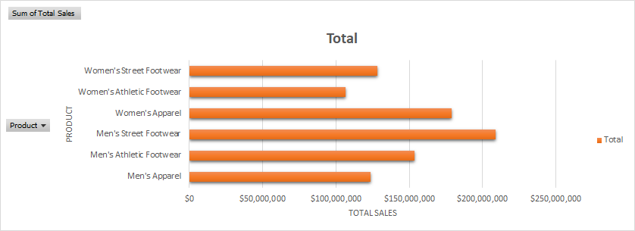
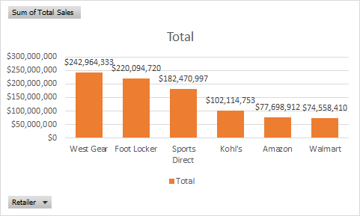
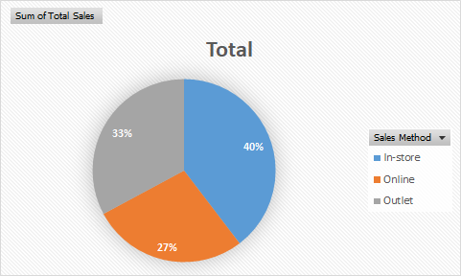
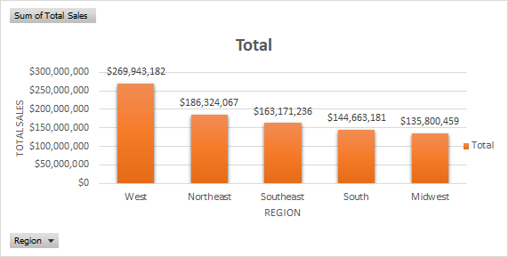
 | Total
Jan | 71479142
Feb | 61100153
Mar | 56809109
Apr | 72339970
May | 80507695
Jun | 74747372
Jul | 95480694
Aug | 92166201
Sep | 77661459
Oct | 63911033
Nov | 67857340
Dec | 85841957

TOTAL SALES PRODUCT
Row Labels | Sum of Total Sales
Men's Apparel | $123,728,632
Men's Athletic Footwear | $153,673,680
Men's Street Footwear | $208,826,244
Women's Apparel | $179,038,860
Women's Athletic Footwear | $106,631,896
Women's Street Footwear | $128,002,813
Grand Total | $899,902,125

SALES METHOD
Row Labels | Sum of Total Sales
In-store | 356,643,750
Online | 247,672,882
Outlet | 295,585,493
Grand Total | 899,902,125

SALES PER REGION
Row Labels | Sum of Total Sales
West | $269,943,182
Northeast | $186,324,067
Southeast | $163,171,236
South | $144,663,181
Midwest | $135,800,459
Grand Total | $899,902,125

RETAILERS PERFORMERS
Row Labels | Sum of Total Sales
West Gear | $242,964,333
Foot Locker | $220,094,720
Sports Direct | $182,470,997
Kohl's | $102,114,753
Amazon | $77,698,912
Walmart | $74,558,410
Grand Total | $899,902,125

